Post-print worksheet
Your measurements

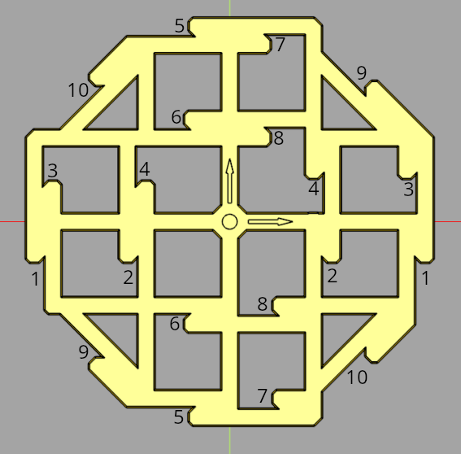
Measurement location | Measurement 1 | Measurement 2 | Measurement 3 | Average | Expected input
1 |  |  |  | #DIV/0! | 100.00
2 |  |  |  | #DIV/0! | 50.00
3 |  |  |  | #DIV/0! | 100.00
4 |  |  |  | #DIV/0! | 50.00
5 |  |  |  | #DIV/0! | 100.00
6 |  |  |  | #DIV/0! | 50.00
7 |  |  |  | #DIV/0! | 100.00
8 |  |  |  | #DIV/0! | 50.00
9 |  |  |  | #DIV/0! | 100.00
10 |  |  |  | #DIV/0! | 100.00

 | Green means within 0.5mm of expected input (does not mean your printer is calibrated!!)
 | Yellow means your measurement is more than 0.5mm and less than 1mm of the expected input. Please double check your measurement
 | Your measurement is more than 1mm away from expected input. Did you scale the model and forget to update the scale factor on intro sheet?

Results
Dimensional correctness
 | Error | 1-sigma Error | Correction |  | Key
X | #DIV/0! | 0.00% | #DIV/0! |  | Your printer is calibrated to within one standard deviation. Hooray!
Y | #DIV/0! | 0.00% | #DIV/0! |  | Your printer is calibrated to within two standard deviations. Not bad!
Skew angle |  |  |  |  | Your printer is calibrated to within three standard deviations. You
 | Measured | 1-sigma Error | Correction |  |  | may still be able to do some adjustments
Angle of parallelogram | #DIV/0! | #DIV/0! |  |  | Your printer is not yet calibrated
Skew | #DIV/0! | #DIV/0! | #DIV/0!

Note: you may see a lot of #DIV/0! before you fill out your measurements. That's OK!

